Sheet1
 |  | Document No. | Issue No. |  | Issue Date |  | Review and Replace Date |  | Authorised By
 |  | GFF279-1MC | 2 |  | 17.10.2022 |  | 27.10.2022 |  | Magda Shah
 |  | Document Title | PRM-INDIAN SELECTION 230g
Document amendments reason for change |  | Film updated |  | Page 1 of 1 |  | Previous Issue Date |  | 17.10.2022 | Uncontrolled copy unless signed original

CINSC-R6T | GAZEBO-PRM |  | PRM-INDIAN SELECTION 230G | CHILLED
STEP 1 |  |  |  |  | STEP 2
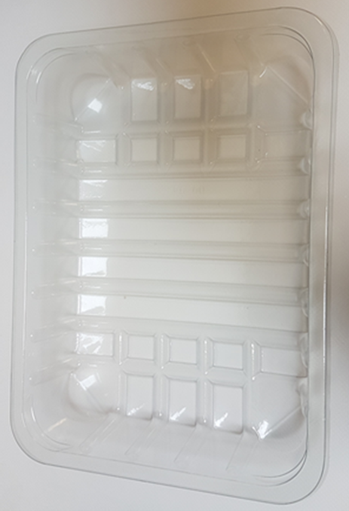 |  |  |  |  | 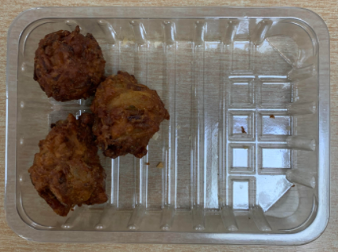

Tray: SK4-Plain Clear (PKESSOO1-07) |  |  |  |  | 3 x Onion Bhaji (GFF121R) 30g 90g
Film: K-peel 7G+25A/f-275mm (PKKMP001-03)
STEP 3 |  |  |  |  | STEP 4
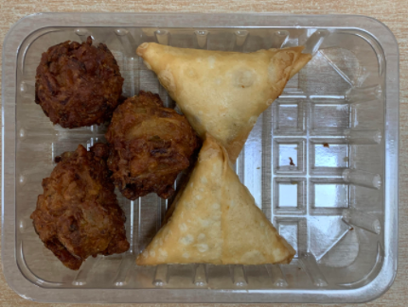 |  |  |  |  | 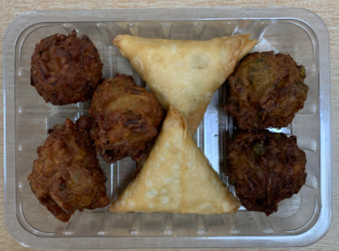

Use By applied from Date of Cook (oldest component)

2 x Vegetable Samosa (GFF003R) 40g 80g |  |  |  |  | 2 x Vegetable Pakora (GFF122R) 30g 60g
 |  |  |  |  | Total Weight : 230g
ALLERGY ALERT: WHEAT

